EPRI regional
Source | Powering Intelligence Analyzing Artificial Intelligence and Data Center Energy Consumption
Link | https://www.wpr.org/wp-content/uploads/2024/06/3002028905_Powering-Intelligence_-Analyzing-Artificial-Intelligence-and-Data-Center-Energy-Consumption.pdf
 | https://www.epri.com/research/products/3002028905

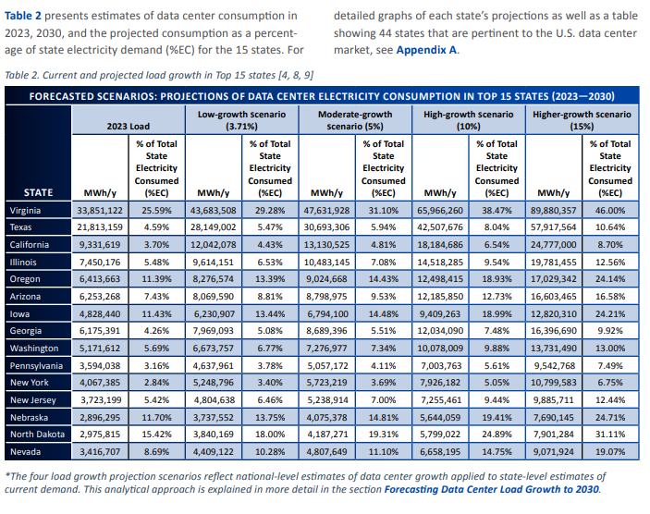
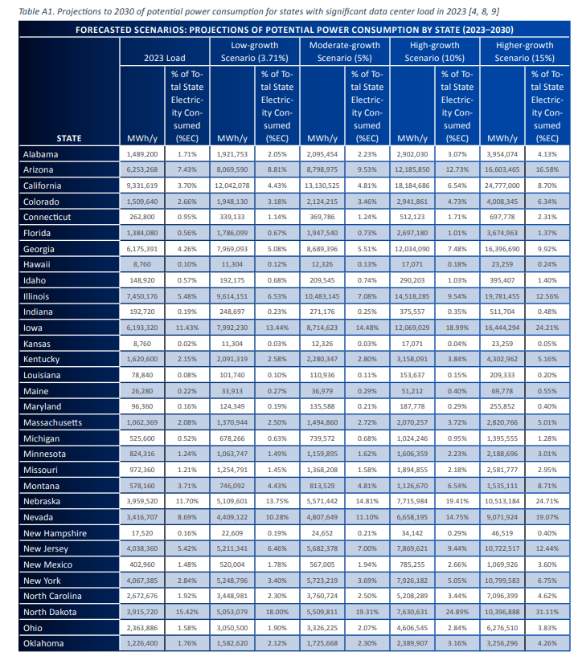

Table
State | 2023_MWh | 2023_% | Low_MWh | Low_% | Mod_MWh | Mod_% | High_MWh | High_% | Higher_MWh | Higher_%
Alabama | 1,489,200 | 1.71% | 1,921,753 | 2.05% | 2,095,454 | 2.23% | 2,902,030 | 3.07% | 3,954,704 | 4.13%
Arizona | 6,253,280 | 7.43% | 8,069,580 | 8.81% | 8,978,795 | 9.53% | 11,381,582 | 12.37% | 16,603,465 | 15.68%
California | 9,313,619 | 3.70% | 12,042,078 | 4.43% | 13,130,525 | 4.81% | 18,186,486 | 6.54% | 24,777,200 | 8.70%
Colorado | 1,509,640 | 2.66% | 1,948,130 | 3.18% | 2,124,215 | 3.46% | 2,941,861 | 4.73% | 4,008,345 | 6.34%
Connecticut | 262,800 | 0.95% | 339,133 | 1.24% | 369,786 | 1.24% | 421,723 | 1.17% | 697,778 | 3.12%
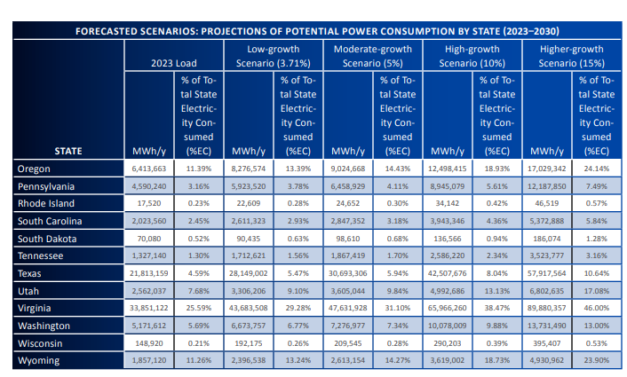
Florida | 1,384,080 | 0.56% | 1,786,909 | 0.67% | 1,947,540 | 0.73% | 2,697,180 | 1.10% | 3,674,963 | 1.37%
Georgia | 6,175,391 | 4.26% | 7,969,093 | 5.08% | 8,689,396 | 5.53% | 12,040,390 | 7.48% | 16,369,560 | 9.92%
Hawaii | 8,760 | 0.86% | 11,304 | 1.10% | 12,316 | 0.13% | 17,497 | 0.20% | 23,829 | 0.05%
Idaho | 148,920 | 0.57% | 192,175 | 0.68% | 209,545 | 0.74% | 290,203 | 1.03% | 395,407 | 1.40%
Illinois | 7,450,176 | 5.48% | 9,641,651 | 6.33% | 10,483,485 | 7.08% | 14,518,285 | 9.54% | 19,781,455 | 12.56%
Indiana | 192,720 | 0.19% | 248,697 | 0.23% | 271,176 | 0.25% | 375,557 | 0.35% | 511,704 | 0.48%
Iowa | 6,193,320 | 11.43% | 7,992,230 | 13.44% | 8,741,623 | 14.48% | 12,069,029 | 18.99% | 16,644,294 | 24.21%
Kansas | 8,760 | 0.01% | 11,304 | 0.03% | 12,316 | 0.03% | 17,071 | 0.04% | 23,259 | 0.05%
Kentucky | 1,620,000 | 2.15% | 2,091,319 | 2.58% | 2,280,427 | 2.80% | 3,158,091 | 3.84% | 4,302,962 | 5.16%
Louisiana | 78,840 | 0.08% | 101,740 | 0.10% | 110,936 | 0.11% | 153,637 | 0.15% | 209,333 | 0.20%
Maine | 26,280 | 0.26% | 33,913 | 0.29% | 36,976 | 0.29% | 42,179 | 0.31% | 69,778 | 0.52%
Maryland | 96,360 | 0.16% | 124,349 | 0.19% | 135,588 | 0.21% | 187,778 | 0.29% | 255,852 | 0.40%
Massachusetts | 1,062,980 | 2.08% | 1,370,944 | 2.50% | 1,494,860 | 2.72% | 2,070,257 | 3.72% | 2,887,260 | 5.10%
Michigan | 652,800 | 0.52% | 876,866 | 0.63% | 973,592 | 0.68% | 1,024,246 | 0.95% | 1,395,585 | 1.31%
Minnesota | 824,316 | 1.24% | 1,063,747 | 1.49% | 1,159,885 | 1.62% | 1,606,359 | 2.23% | 2,188,866 | 3.01%
Missouri | 1,973,620 | 1.36% | 1,254,791 | 1.45% | 1,368,886 | 1.58% | 1,894,585 | 2.18% | 2,581,727 | 2.98%
Montana | 578,160 | 3.71% | 742,906 | 4.33% | 813,528 | 4.81% | 1,121,676 | 6.54% | 1,535,211 | 7.13%
Nebraska | 3,959,520 | 11.70% | 5,109,601 | 13.75% | 5,571,422 | 14.81% | 7,715,984 | 19.41% | 10,513,184 | 24.71%
Nevada | 3,416,700 | 14.22% | 4,419,700 | 18.20% | 4,840,747 | 18.88% | 7,006,150 | 14.75% | 9,759,194 | 22.01%
New Hampshire | 15,720 | 0.61% | 22,609 | 0.19% | 24,652 | 0.21% | 34,142 | 0.29% | 46,519 | 0.40%
New Jersey | 4,038,630 | 5.42% | 5,211,341 | 6.46% | 5,682,378 | 7.00% | 7,869,621 | 9.44% | 10,722,517 | 12.44%
New Mexico | 402,960 | 0.16% | 530,189 | 0.23% | 578,907 | 0.24% | 802,065 | 0.32% | 1,096,205 | 0.44%
New York | 4,067,385 | 2.84% | 5,248,796 | 3.56% | 5,723,219 | 3.69% | 7,926,182 | 5.65% | 10,799,583 | 6.75%
North Carolina | 2,672,676 | 1.92% | 3,484,821 | 2.30% | 3,760,724 | 2.50% | 5,208,289 | 3.44% | 7,096,939 | 4.62%
North Dakota | 3,915,720 | 7.38% | 5,107,735 | 8.57% | 5,508,981 | 9.11% | 8,008,551 | 12.36% | 10,396,838 | 18.31%
Ohio | 2,363,886 | 1.78% | 3,055,020 | 1.98% | 3,326,225 | 2.07% | 4,606,545 | 2.84% | 6,276,510 | 3.83%
Oklahoma | 1,226,400 | 1.76% | 1,582,600 | 2.12% | 1,725,688 | 2.30% | 2,389,007 | 3.16% | 3,256,226 | 2.06%
Oregon | 6,413,663 | 11.39% | 8,276,574 | 13.39% | 9,024,668 | 14.43% | 12,498,415 | 18.93% | 17,029,342 | 24.14%
Pennsylvania | 4,590,240 | 3.16% | 5,923,520 | 3.78% | 6,458,929 | 4.11% | 8,945,079 | 5.61% | 12,187,850 | 7.49%
Rhode Island | 17,520 | 0.23% | 22,609 | 0.28% | 24,652 | 0.30% | 34,142 | 0.42% | 46,519 | 0.57%
South Carolina | 2,023,560 | 2.45% | 2,611,323 | 2.93% | 2,847,352 | 3.18% | 3,943,346 | 4.36% | 5,372,888 | 5.84%
South Dakota | 70,080 | 0.52% | 90,435 | 0.63% | 98,610 | 0.68% | 136,566 | 0.94% | 186,074 | 1.28%
Tennessee | 1,327,140 | 1.30% | 1,712,621 | 1.56% | 1,867,419 | 1.70% | 2,586,220 | 2.34% | 3,523,777 | 3.16%
Texas | 21,813,159 | 4.59% | 28,149,002 | 5.47% | 30,693,306 | 5.94% | 42,507,676 | 8.04% | 57,917,564 | 10.64%
Utah | 2,562,037 | 7.68% | 3,306,206 | 9.10% | 3,605,044 | 9.84% | 4,992,686 | 13.13% | 6,802,635 | 17.08%
Virginia | 33,851,122 | 25.59% | 43,683,508 | 29.28% | 47,631,298 | 31.10% | 65,966,620 | 38.47% | 89,880,357 | 46.00%
Washington | 5,171,612 | 5.69% | 6,673,757 | 6.77% | 7,276,977 | 7.34% | 10,087,029 | 9.50% | 13,731,490 | 10.63%
Wisconsin | 148,920 | 0.21% | 192,175 | 0.26% | 209,545 | 0.28% | 290,203 | 0.39% | 395,407 | 0.57%
Wyoming | 1,857,120 | 11.26% | 2,396,538 | 13.24% | 2,613,144 | 14.27% | 3,619,002 | 18.73% | 4,930,962 | 23.90%

Total (TWh) | 153.2 |  | 196.6 |  | 214.5 |  | 296.3 |  | 404.9
EPRI National (TWh) | 152 |  | 196.3 |  | 214 |  | 296.4 |  | 403.9

